Sheet1
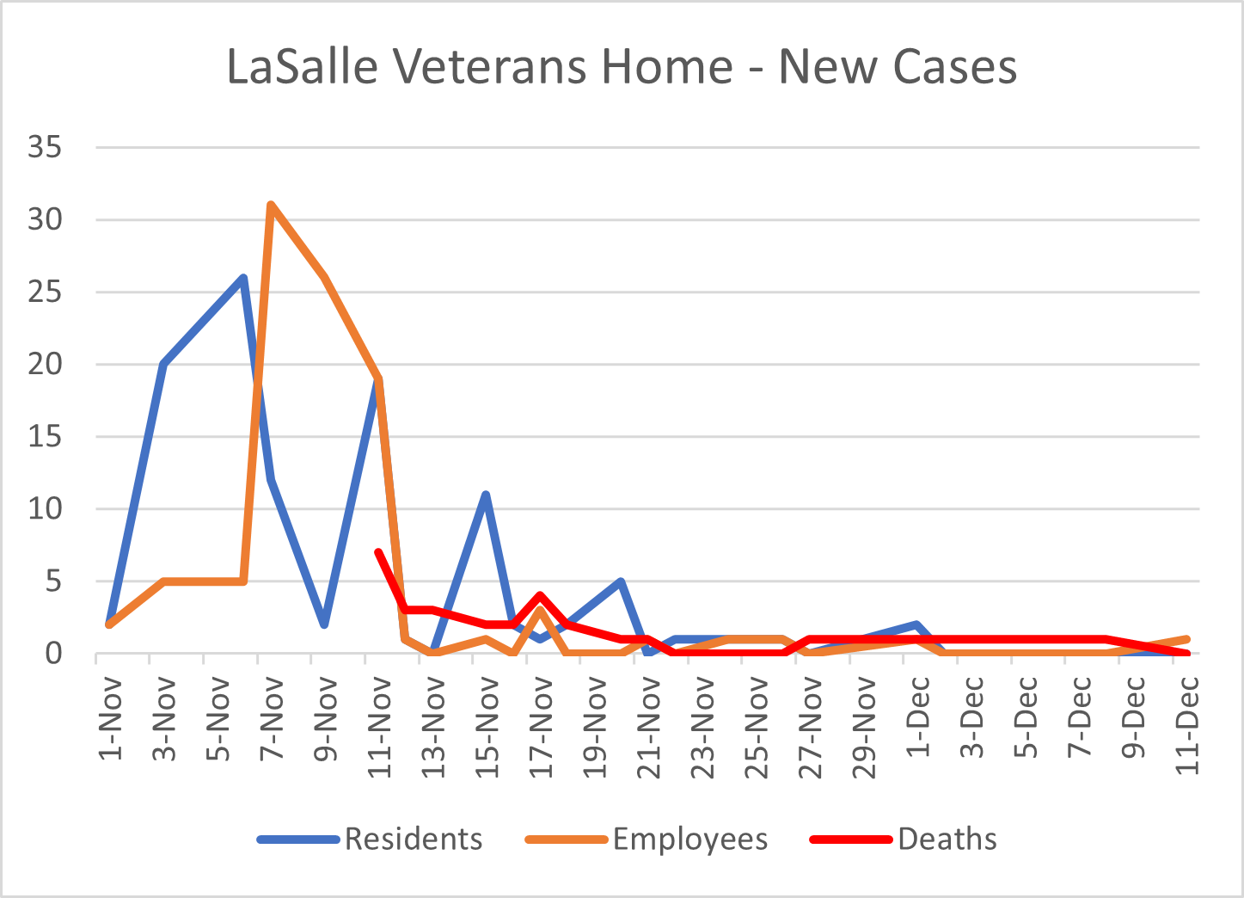
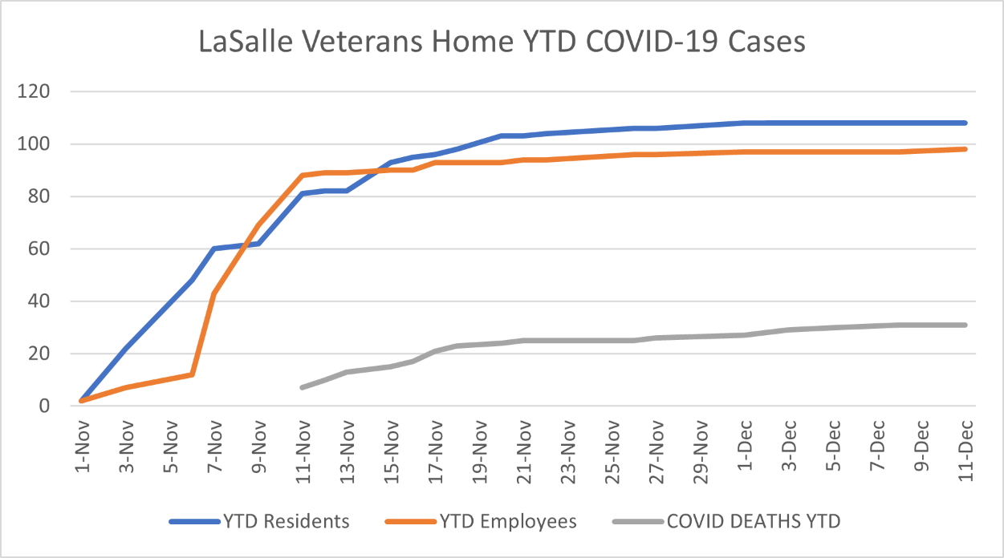
Current as of 12/11/20 |  | COVID-19 STATISTICS AT LASALLE VETERANS HOME

Date | Residents | Employees | YTD Residents | YTD Employees | Residents Recovered | Employees Recovered | Active Resident Cases | Active Employee Cases | Deaths | COVID DEATHS YTD
2020-11-01 | 2 | 2 | 2 | 2
2020-11-03 | 20 | 5 | 22 | 7
2020-11-06 | 26 | 5 | 48 | 12
2020-11-07 | 12 | 31 | 60 | 43
2020-11-09 | 2 | 26 | 62 | 69
2020-11-11 | 19 | 19 | 81 | 88 |  |  |  |  | 7 | 7
2020-11-12 | 1 | 1 | 82 | 89 |  |  |  |  | 3 | 10
2020-11-13 | 0 | 0 | 82 | 89 |  |  |  |  | 3 | 13
2020-11-15 | 11 | 1 | 93 | 90 |  |  |  |  | 2 | 15
2020-11-16 | 2 | 0 | 95 | 90 |  |  |  |  | 2 | 17
2020-11-17 | 1 | 3 | 96 | 93 |  |  |  |  | 4 | 21
2020-11-18 | 2 | 0 | 98 | 93 |  |  |  |  | 2 | 23
2020-11-20 | 5 | 0 | 103 | 93 |  |  |  |  | 1 | 24
2020-11-21 | 0 | 1 | 103 | 94 |  |  |  |  | 1 | 25
2020-11-22 | 1 | 0 | 104 | 94 |  |  |  |  | 0 | 25
2020-11-24 | 1 | 1 | 105 | 95 |  |  |  |  | 0 | 25
2020-11-26 | 1 | 1 | 106 | 96 |  |  |  |  | 0 | 25
2020-11-27 | 0 | 0 | 106 | 96 |  |  |  |  | 1 | 26
2020-12-01 | 2 | 1 | 108 | 97 |  |  |  |  | 1 | 27
2020-12-02 | 0 | 0 | 108 | 97 |  |  |  |  | 1 | 28
2020-12-03 | 0 | 0 | 108 | 97 |  |  |  |  | 1 | 29
2020-12-05 | 0 | 0 | 108 | 97 |  |  |  |  | 1 | 30
2020-12-08 | 0 | 0 | 108 | 97 |  |  |  |  | 1 | 31
2020-12-11 | 0 | 1 | 108 | 98 | 43 | 100 | 32 | 3 | 0 | 31
Not Accounted For | 0 | 5 | 108 | 103 |  |  |  |  | 2 | 33

